1. Title Page
[Project Name]

Project Name: Instacart Grocery Basket Analysis
Date: May 10th 2025
Analyst Name: Renata Batista

Contents:
Population Flow
Consistency checks
Wrangling steps
Column derivations
Visualizations
Recommendations

Data Citation: “The Instacart Online Grocery Shopping Dataset 2017”, Accessed from www.instacart.com/datasets/grocery-shopping-2017 via Kaggle on [date].
In this data set, the "prices" column was fabricated for this analysis due to a learning exercise

2. Population Flow
Title page

Population flow

Exclusion flag
Condition: max_order <
Obervations to be removed:
Final total count of order_products_all:

Orders_products_combined
Orders_products_merged
Orders_products_all

Total: 3,243,489
Total: 3,243,489
Total: 3,243,489

1.) The grey boxes in the first row of the population flow represent the original data sets as they were when you downloaded them. In the Total fields you need to add the count of the rows when you imported the data set into Jupyter.
2.) The second row of boxes (coloured) represents the data sets after you manipulated them, e.g., removed missing values and duplicates. In the Total fields you need to add the count of the rows after conducting these operations. This offers a visual oveview of how the data flows throughout the data consistency checks.
3.) The third row, where also the arrows are coloured, represents the merges you performed between the datasets. In the Total fields you need to add the count of the rows in the merged datasets, so that you end up with the final dataset (in the red box). Keep in mind the final dataset should be without exclusions (based on the exclusion flag).

3. Consistency checks
 |  |  |  | Title page
Consistency checks

Dataset | Missing values | Missing values treatment | Duplicates
orders | 206209 missing values at days_since_prior_order column | Imputated data based on the mean | zero duplicates
products | 16 missing values at product_name column | Deleted. Not possible to imputed data - string
orders_products_prior | none missing values | N/A | none
customers | none missing values | N/A | none

4. Wrangling steps
 |  |  |  | Title page
Wrangling steps

Columns dropped | Columns renamed | Columns' type changed | Comment/Reason
eval_set | N/A | N/A | Info not necessary for the analysis.
 | order_dow | orders_day_of_week | more intuitive title
 |  | order_id | as type String
 |  | user_id | as type String

5. Column derivations
 |  |  |  | Title page

Column derivations and aggregations

In this tab you should add tables below that the frequences of flags/label variables that you produced after deriving them. NB: don't do this for continuous variables, only for flags.
Dataset | New column | Column/s it was derived from | Conditions
ords_prods_merge | price_range_loc | prices | High_range product: >15 Mid-Range Product: >5 & <=15 Low-Range Product: <5
ords_prods_merge | Busiest_day | orders_days_of_week | Busiest days: Saturday, Sunday Regularly Busy: Wednesday, Thursday, Friday Slowest days: Monday, Tuesday 0 refers to Saturday in dataframe
ords_prods_merge | busiest_period_of_day | order_time_hour_of_day | Most orders: [10, 11, 14, 15, 13, 12, 16, 9] Average orders: [17, 8, 18, 19, 20, 7, 21, 22] Fewest orders: [23, 6, 0, 1, 5, 2, 4, 3]
ords_prods_merge | max_order | order_number | Max count of orders per user
ords_prods_merge | loyalty_flag | max_order | Loyal customer >=40 Regular customer >10 & <40 New customer <=10
ords_prods_merge | spender_type | Avg_spent | High Spender: =>10 Low Spender: <10
ords_prods_merge | frequency_flag | median_order_frequency | Frequent customer: <=10 Regular customer: >10 & <=20 Non-Frequent customer: >20
customer_ords_prods | activity_customer_level | max_order | Low-activity Customer: <5 orders High-activity Customer: >=5 orders
customer_ords_prods | age_group | Age | young_adult: <33 years adult: >=33 & <49 older_adult: >=49 &<65 senior: >=65
customer_ords_prods | Income_bracket | Income | Low Income Customer: <96608 Middle Income Customer: >=96608 & < 127876 High Income Customer: >=127876
customer_ords_prods | parent_status | number_dependants | Single: = <1dependents Parent:= >=1 dependents
customer_ords_prods | department_name | department | 1: frozen 2: other 3: bakery 4: produce 5: alcohol 6: international 7: beverages 8: pets 9: dry goods pasta 10: bulk 11: personal care 12: meat seafood 13: pantry 14: breakfast 15: canned goods 16: dairy eggs 17: household 18: babies 19: snacks 20: deli 21: missing
customer_ords_prods | day_of_week | orders_day_of_week | 0: Saturday 1: Sunday 2: Monday 3: Tuesday 4: Wednesday 5: Thursday 6: Friday

6. Visualizations
Title page

Visualisations

In this tab you should include all the visualtions from Exercises 4.9 and 4.10, alongside the questions from the project brief that they answer. Include any commentary on the relationship between different variables.

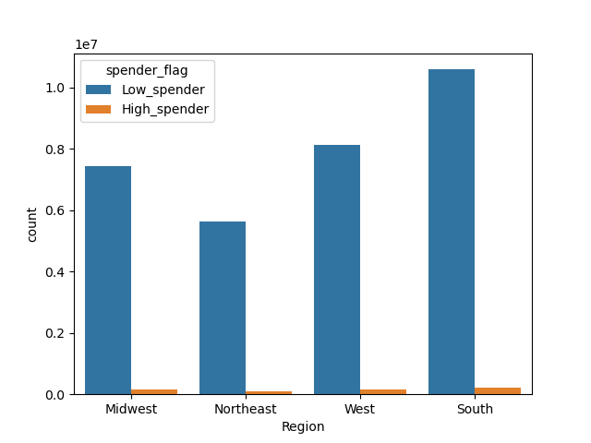

The majority of customers are categorized as low spenders.
South region we can see the Highest and the Lowest spender.
It does not appear that high spending customers are associated with one particular US region.
South looks a great market to continue investing.

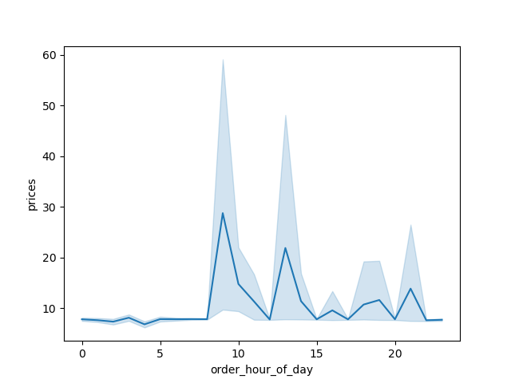

The orders pick of the day are at 10am.

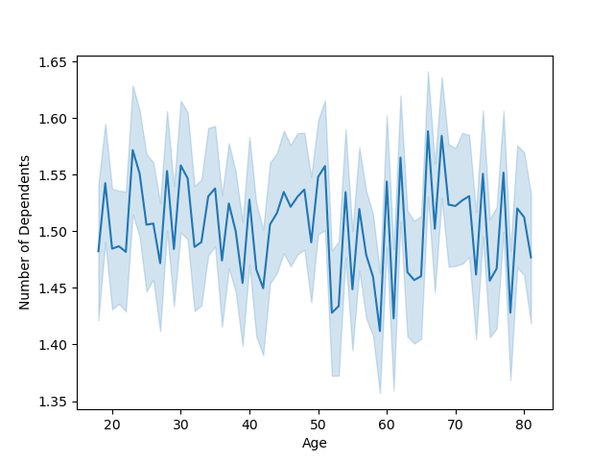

The line chart shows the relationship between customer age and the average number of dependents. Overall, the number of dependents stays fairly consistent across age groups, with slight fluctuations. There is no strong trend indicating that either younger or older customers have significantly more or fewer dependents. This suggests that family size is relatively stable across different age ranges in this customer base.¶



The histogram shows the distribution of customer orders throughout their spends (price) . Most orders are placed between 1 to 15 dolars.



The histogram shows the distribution of customer orders throughout the day. Most orders are placed between 9 AM and 4 PM, with a clear peak around 10 AM to 12 PM. Early morning hours (before 7 AM) and late evening hours (after 8 PM) show significantly lower order activity. This suggests that customers tend to shop primarily during late morning and early afternoon, possibly aligning with daily routines or availability.

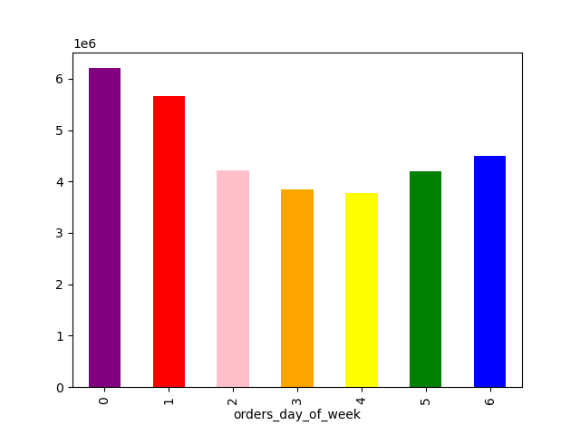

The bar charts shows the customers orders made per day of the week. 0 = saturday 1 = sunday
2 = monday
3 = tuesday
4 = wednesday
5 = thursday
6 = friday

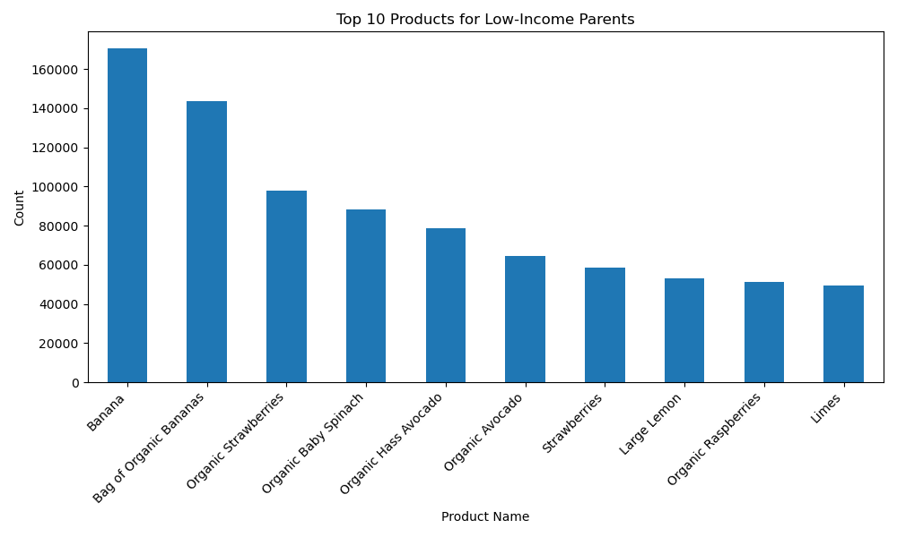

The top 10 products that are purchased within a lower income population (as we saw throught the other graphs).
These products found are all within the produce department,.
Orders for these types of goods can be emphasized with our marketing team

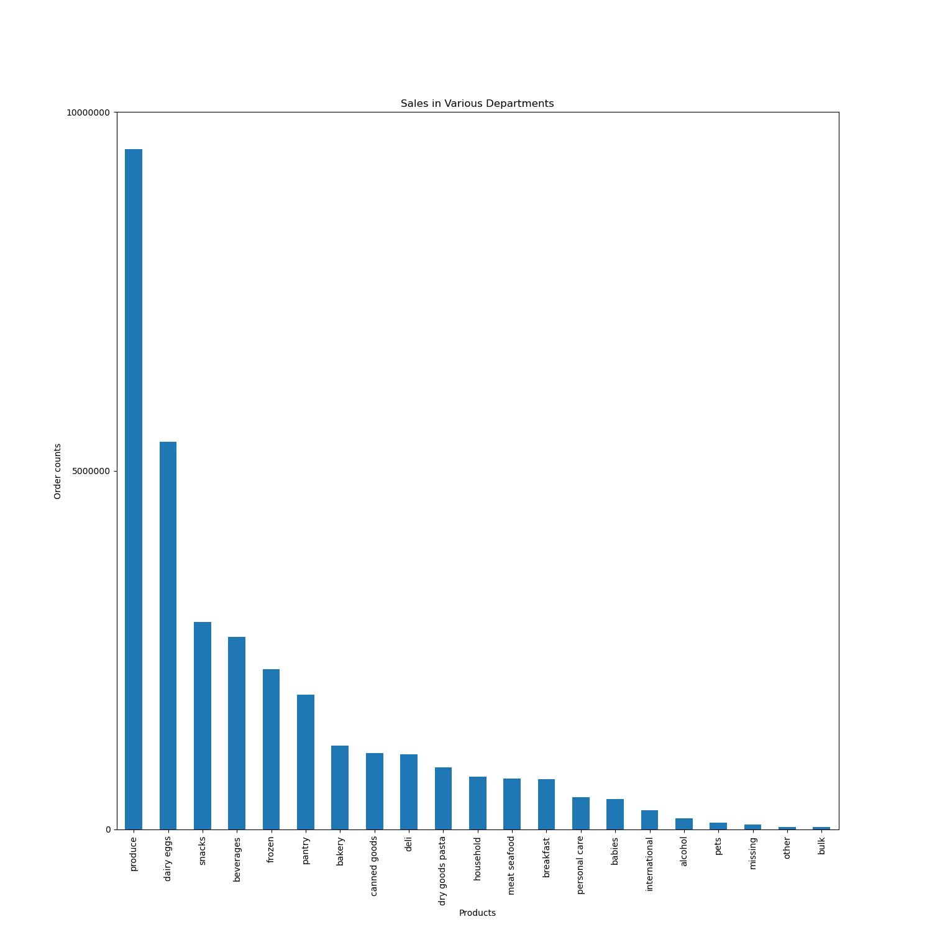

In this visualization, we are able to see the specific departments that produce the most revenue. In the Instacart data, the produce department generates the most revenue by far.
Eggs, snacks, beverages, and frozen foods make up the top 5 departments. However, the overall general trend seems to be grocery staples commonly found in every pantry

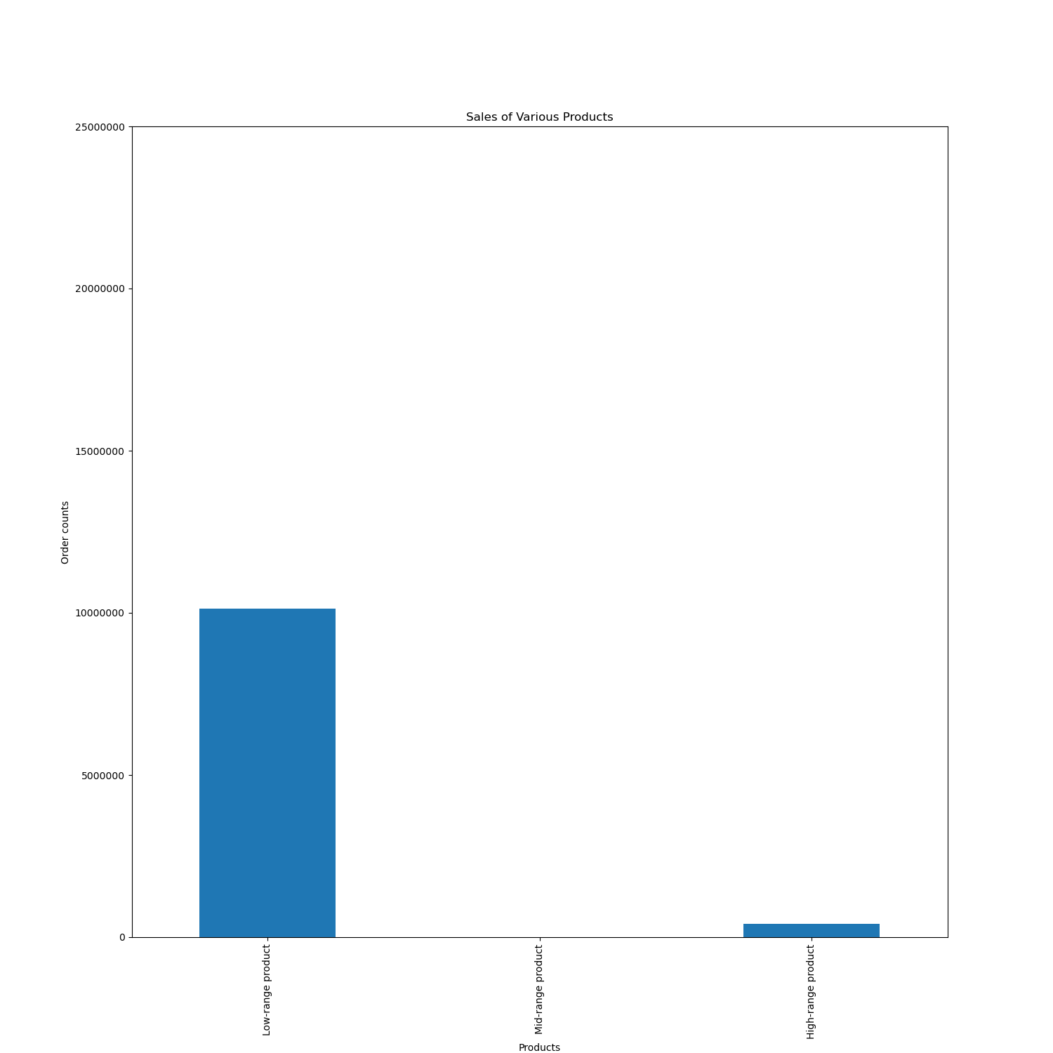

Instacart has a lot of products with different price tags. Marketing and sales want to use simpler price range groupings to help direct their efforts.
In this visualization, the product flag was used to assist te marketing department in identifying 3 classes of products (low, medium, highly priced). Through this bar graph, we can see that the low-ranged products do the best in sales.

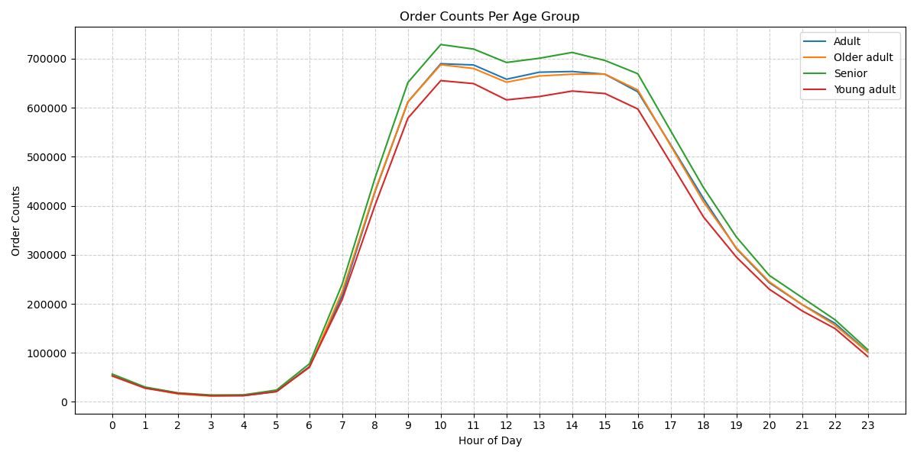

In this visualization, we continue to see sales behavior across the age groups. The largest insights seem to be that sales tend to reach its peak by 10 am, plateau into the 4pm time frame and descend down again into the evening.
Additionally, it is important to see that all 4 age groups seem to follow this same trend as well. .

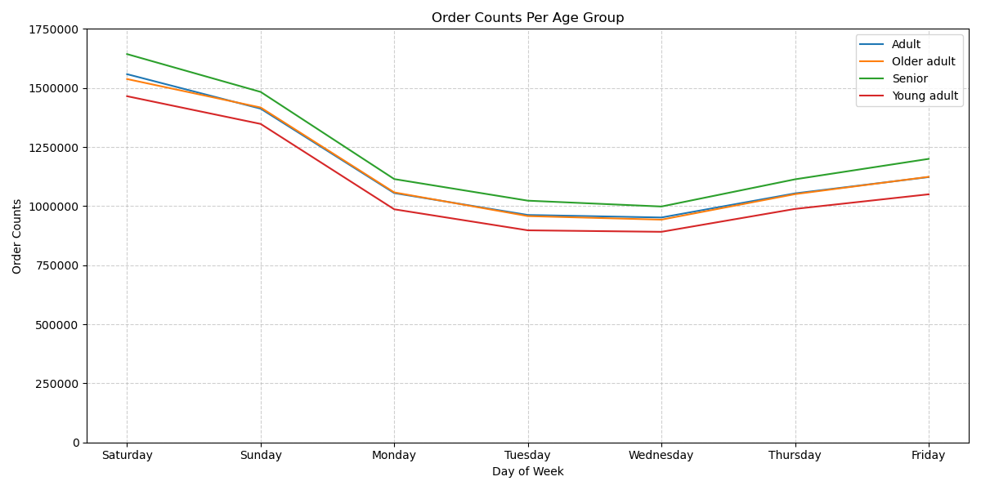

Instacard peak orders days occur on Saturdays and Sundays. We then see it trend downwards throughout the week, until it builds back up again into Friday.
To drive higher sales - weekends promotions.
Additionally, the graph was split throughout various age groups, which keeps following the same trends behaviour.

7. Recommendations
 |  | Title page

Recommendations

In this tab you should include any recommendations you would made to Instcart in terms of their marketing strategy based on the questions posed in the brief. Every key question has been covered in the Tasks of the Exercises - here you need to add an item - a visualisation or table/crosstable that is showing the answer in the data, acompanied by a comment from you. Please, list the questions below and add the answer underneath.

Question | Recommendation
The busiest days of the week are Saturdays and Sundays and The busiest time are between 10am - 4pm. | If the marketing team want to improve the sales on the lowest days and time range, the campaing have to focus on the weekdays and at the evening and night times.

Price range grouping to help redirect efforts? | low-range product <5 Mid-range product >5 & <=15 high-range products >15 Allow to identify the average price from the products with high sales - so the marketing department can focus more on sudden products

Which departments have the highest frequency orders? | Top 5 departments are: - produce - dairy eggs - snacks - beverages - frozen We can see that the highest revenue comes from day-by-day products!

Which products are more popular than others? | Top 5 products are: - banana - bag of organic banana - organic strawberries - organic baby spinach - organic hass avocado We can see a trend for organic products - even if day-by-day products, the marketing department can think in campaigns more linked to the organic products!

What’s the distribution among users in regards to their brand loyalty (i.e., how often do they return to Instacart)? Are there differences in ordering habits based on a customer’s loyalty status? | The majority of customers are regulars. The MKT team should focus on the regular customers to convince them to become loyal customers. Special promotions

Is age related to spending? | We can see that higher income older age - even if the difference between the spends are low.

What different classifications does the demographic information suggest? Age? Income? Certain types of goods? Family status? | I would say that age is not so necessary as they are not the decission maker.

